Sheet1
 |  | Document No. | Issue No. | Issue Date |  | Review and Replace Date |  | Authorised By
 |  | GFF042MC | 4 | 08.04.2022 |  | 17.12.2024
 |  | Document Title | GC -20 Vegetable Samosa Large 2000g
 |  |  |  |  |  |  |  | Magda Shah
Document amendments reason for change |  | Tray and Film Changed | Page 1 of 1 |  | Previous Issue Date |  | 12.07.2023 | Uncontrolled copy unless signed original

CVSAL-B20T | Gazebo |  | GC-20 Vegetable Samosa Large 2000g
STEP 1 |  |  |  |  | STEP 2
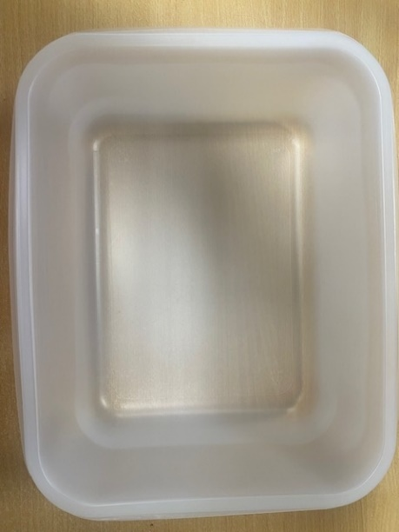 |  |  |  |  |  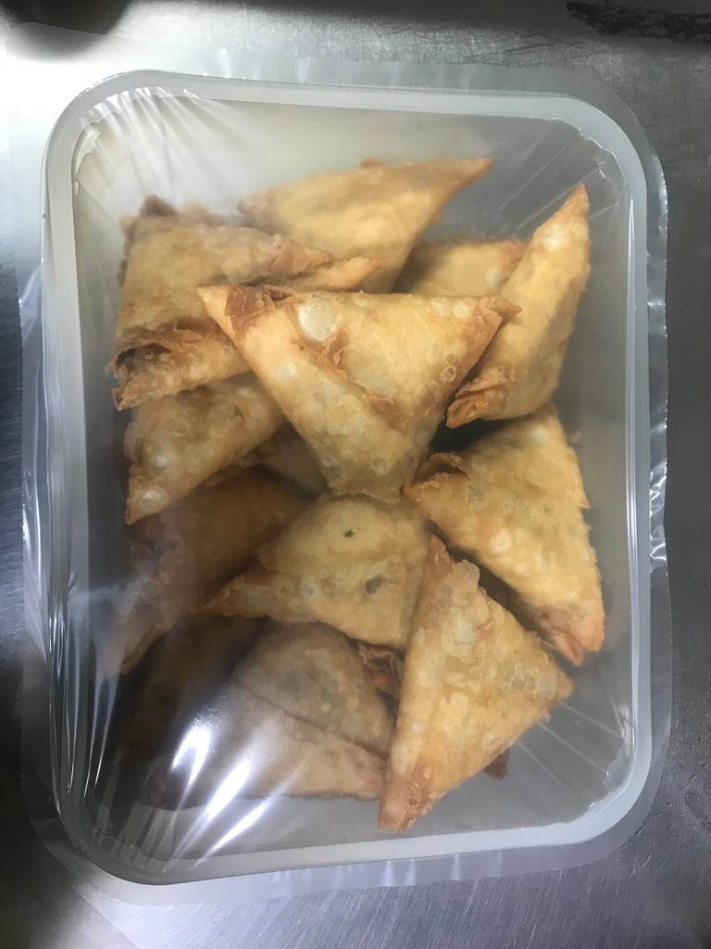

Tray: 554 natural-(PKPRO001-19) |  |  |  |  | Vegetable Samosa Large (GFF003R)-100g (1X20 Units) -2000g
Film: S340AF 340mmX510mm AF&HB Weld-(PKPRO001-17)
STEP 3
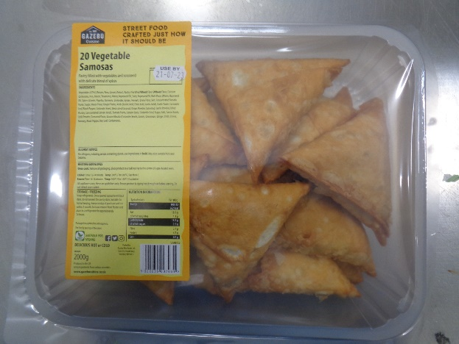 |  |  | 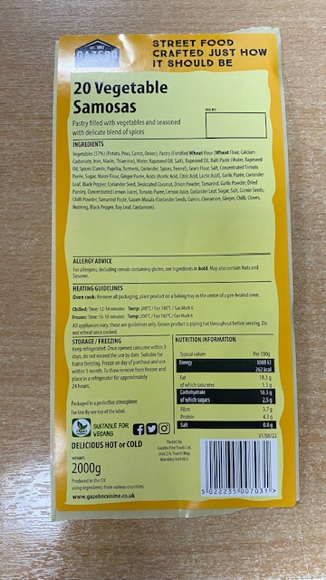

Label: 20 Vegetable samosas -Barcode:7031
TOTAL WEIGHT: 2000g

ALLERGY ALERT: WHEAT

